Sheet1
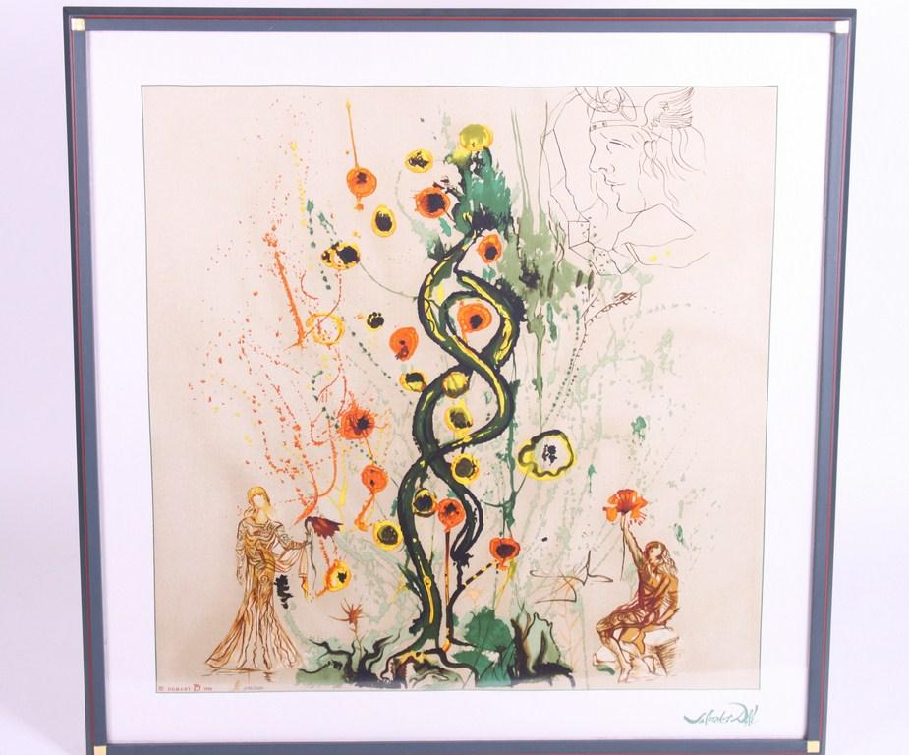
Picture | Item code | Description | Extra information | Restriction | Stock | Sales price EXW | Retail price | Barcode | Quantity PU | Quantity pallet | Pallet | Origin | Customs code | Item weight | Languages on package | Group
 | 00500A | DALI Arbre de Vie, With Numbered Certificate | No Frame | Printed on silk, gold leaf on table. Series of 2000 pieces with certificate | 235 |  | 72.2 |  | 1 |  |  |  | 9701100000 | 11200 |  | DALI Arbre de Vie

